Sheet1
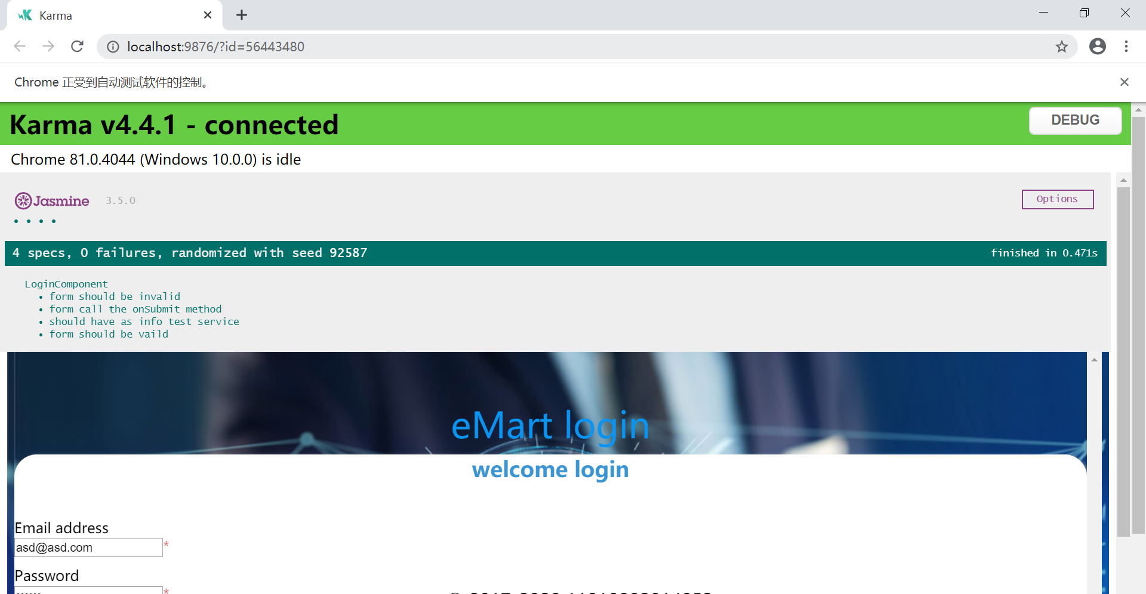

Unit Testing LoginComponent & LoginService
by Jasmine

